Template_D_Qualitative
TEMPLATE D - DISCLOSURE OF QUALITATIVE AGGREGATE STATISTICAL DATA ON THE SUPERVISORY AUTHORITY AS AT 31.12.2017

B1a - The structure of the supervisory authority

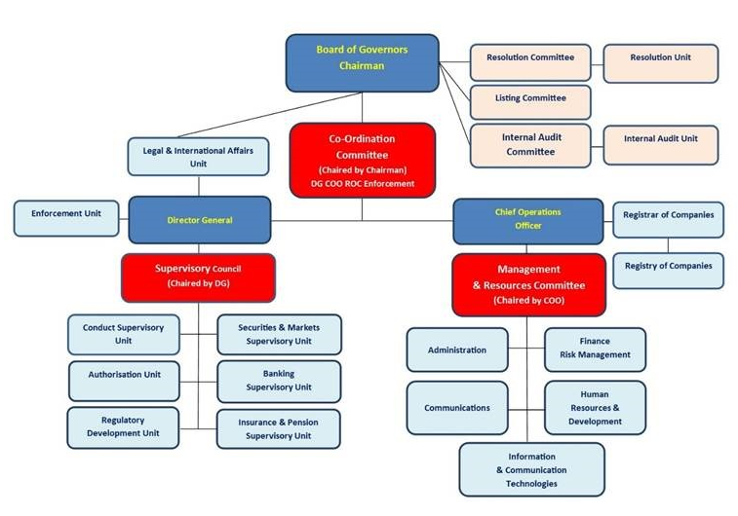

The Organisation Chart of the Authority has remained unchanged for the years 2016 and 2017.

B8a - The criteria used for the application of capital add-ons

A capital add-on will be imposed where the MFSA feels that the risk profile of the undertaking deviates significantly from the assumptions underlying the Standard Formula and its internal model in accordance with Article 31C (1) of the Insurance Business Act.

B8b - The criteria used for the calculation of capital add-ons

The capital add-on shall be calculation in accordance with Article 31C (2) of the Insurance Business Act

B8c - The criteria used for the removal of capital add-ons

The capital add-on will be removed when the undertaking has remedied the deficiencies which led to its imposition as per Article 31C (4) of the Insurance Business Act

B16b - The main features of the approved items of ancillary own funds

The approved items of ancillary own funds were unpaid share capital falling under tier 2 ancillary own funds.

B17b - The main features of the approved items of own-fund items, which are not covered by the relevant lists of the Articles 69, 72, 74, 76 and 78 of Delegated Regulation (EU) 2015/35

The approved items of own-fund items, which are not covered by the relevant lists of the Articles 69, 72, 74, 76 and 78 of Delegated Regulation (EU) 2015/35 are capital contributions. These fall under tier 1 unrestricted basic own funds. The main features of capital contributions are: (a) the memorandum or articles of association of the undertaking concerned permit it to accept from time to time capital contributions; (b) it is covered by a binding agreement; (c) it is fully paid in, made in the nature of an unconditional transfer of funds, it is unfettered and irrevocable, it does not give rise to a credit in favour of the contributor and is free from any servicing costs or charges; (d) it is classified as an undistributable reserve in the balance sheet of the company concerned:

B17c - The method used to assess and classify the approved items of own-fund items, which are not covered by the relevant lists of the Articles 69, 72, 74, 76 and 78 of Delegated Regulation (EU) 2015/35

Capital contributions are assessed and classified on the basis of the agreement entered into between the undertaking and the contributor.

Information contained in cell numbers B8a, B8b, B8c, B16b, B17b and B17c remained unchanged for the years 2016 and 2017

B18b - The scope of peer review analyses organised and conducted by EIOPA in accordance with Article 30 of Regulation (EU) No 1094/2010, in which the supervisory authority participated

We participated in two peer reviews during 2017. One was in relation to Supervisory Practices for the Application of the Principle of Proportionality in Governance Requirements regarding Key Functions. This was launched in 2016 but was submitted to EIOPA in January 2017. The other one was in relation to Propriety - Ongoing Assessmnet of AMSB Members and Qualifying Shareholders.

